1. Grouped Direct method
Mean of Grouped Data
A mean can be determined for grouped data, or data that is placed in intervals. Unlike listed data, the individual values for grouped data are not available, and you are not able to calculate their sum. To calculate the mean of grouped data, the first step is to determine the midpoint (also called as class mark) of each interval or class. These midpoints must then be multiplied by the frequencies of the corresponding classes. The sum of the products divided by the total number
of values will be the value of the mean.
In the simplest cases, it is calculated by finding the sum of the whole data and then dividing it by the total number of observations. That is the reason, the mean
is called as "arithmetic mean".
CTM Please note the below points:
1. The accuracy of the mean is compromised as actual values are not known for grouped data.
2. Not possible to calculate for open ended classes e. g 80-high or low-0, as the midpoint can not be determined.
3. The ease of calculating mean from this method is the plus point or USP of this method.
Class Intervals | Frequency | Midpoint | fx
0-10 | 2 | 5 | 10
10-20 | 5 | 15 | 75
20-30 | 6 | 25 | 150
30-40 | 5 | 35 | 175
40-50 | 4 | 45 | 180
50-60 | 3 | 55 | 165
60-70 | 6 | 65 | 390
70-80 | 7 | 75 | 525
 | 38 |  | 1670

 | Average | 43.95

Look for the explanation of the calculation in the right side notes.
Think :)
Why are we considering the class mark for the calculations?

2. Grouped Assumed method
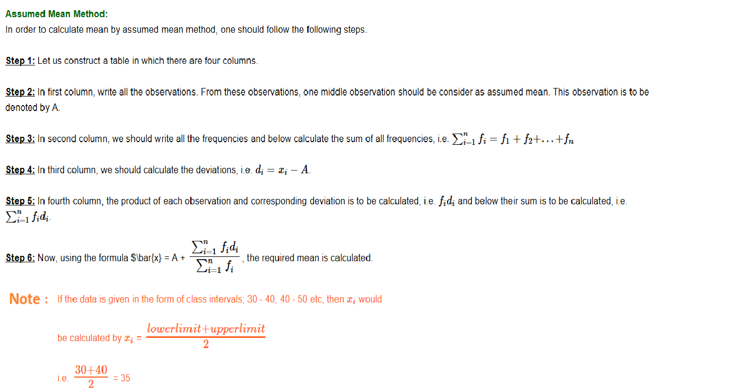
Assumed Mean Method: Assumed mean method is a method that uses an assumed mean in order to calculate actual mean. This method does cut short the calculations that are more in the direct method.
CTM Please note:
1. The accuracy of the mean is compromised as actual values are not known.
2. Not possible to calculate for open ended classes e. g 7000-high or low-1000, as the midpoint can not be determined. Till the time you are dependent on class mark, you cannot find the mean of opend ended classes.
Spend Class | Frequency | Midpoint | deviation | freq*deviation
0-10 | 2 | 5 | -30 | -60
10-20 | 5 | 15 | -20 | -100
20-30 | 6 | 25 | -10 | -60
30-40(A=35) | 5 | 35 | 0 | 0
40-50 | 4 | 45 | 10 | 40
50-60 | 3 | 55 | 20 | 60
60-70 | 6 | 65 | 30 | 180
70-80 | 7 | 75 | 40 | 280
 | 38 |  |  | 340

 | Average | 43.95

Compare this value with the direct method calculation :)

Assumed Mean Class, "A" is the class mark

3. Grouped Short cut method
Shortcut Method: Short cut method is very similar to the Assumed mehod, actually it is almost same :), you give a code to every interval class and then calculation is performed.
Code 0 is given to the middle class and -1 and +1 to below and above classes and so on for all the class Intervals
Mean calculation is same as Groped Assumed Method.
CTM:
1. The accuracy of the mean calculation is compromised as actual values are not known.
2. Possible to calculate for open ended classes e. g 70-high or low-10 as this method is not dependent on midpoint :)
Spend Class | Frequency | code | freq*deviation
low-10 | 2 | -3 | -6
10-20 | 5 | -2 | -10
20-30 | 6 | -1 | -6
30-40(A=35) | 5 | 0 | 0
40-50 | 4 | 1 | 4
*height
50-60 | 3 | 2 | 6
60-70 | 6 | 3 | 18
70-high | 7 | 4 | 28
 | 38 |  | 34

 | Average | 43.95

Compare this with the direct and assumed method calculation :)

4. Mean quiz
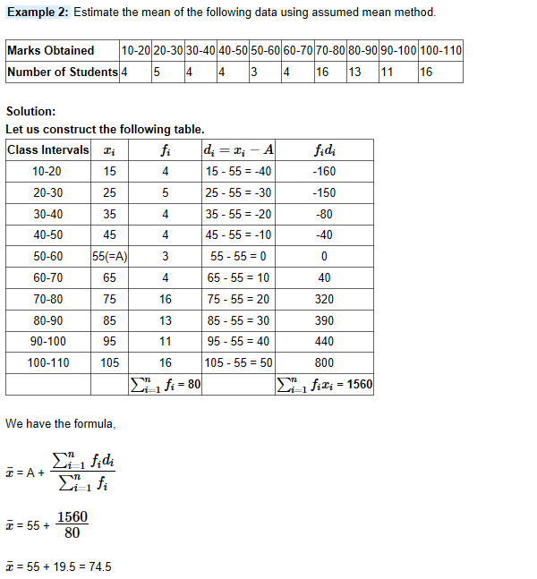
Question 1
Jan Sale Data |  | Feb Sale Data
Spend | Frequency | Spend | Frequency
0-999.99 | 30 | 0-999.99 | 21
1000-1999.99 | 30 | 1000-1999.99 | 30
2000-2999.99 | 45 | 2000-2999.99 | 45
3000-3999.99 | 60 | 3000-3999.99 | 60
4000-4999.99 | 75 | 4000-4999.99 | 75
5000-5999.99 | 35 | 5000-5999.99 | 35
6000-6999.99 | 25 | 6000-6999.99 | 26
7000-7999.99 | 5 | 7000-7999.99 | 13

swipes | 305 | swipes | 305
Calculate which month the average spend is highest, and by what percentage?

Question 2
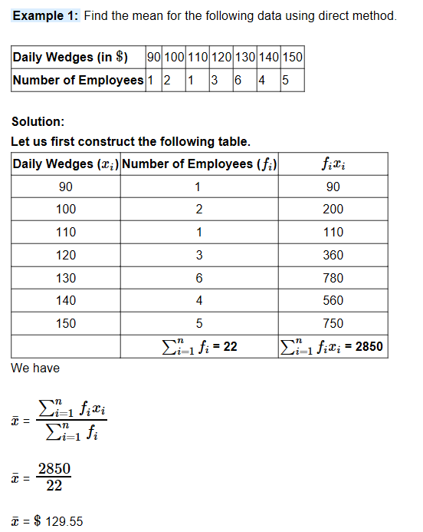

Question 3

5. Summary
Advantages of mean :)
1. The concept is familiar and more unniversally accepted in data sciences.
2. Easy to calculate and unique value for a dataset or dataframe.
3. Help in the comparison of 2 or more datasets or 2 or more span of data.
Note: Unit of mean is the same as data values. e.g mean of salary would be same as salary valued dollars only.
Disadvantages of mean :(
1. Affected by the missing values and needs missing value treatment.
2. Affected by the extreme values or the outliers and tend to distort the overall picture.
3. Tedious to calculate for the big data manually
4. Difficult to calculate for the open end classes. This is over comed by the shortcut method :)
*Note*With shortcut method you can easily calculate the mean for open ended classes.

